Portfolio
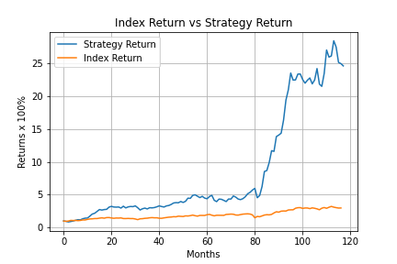
Symbol
ADANIGREEN.NS
ADANITRANS.NS
ADANIENT.NS
ATGL.NS
AIAENG.NS
ABBOTINDIA.NS
AKZOINDIA.NS
ALKEM.NS

